Front Label
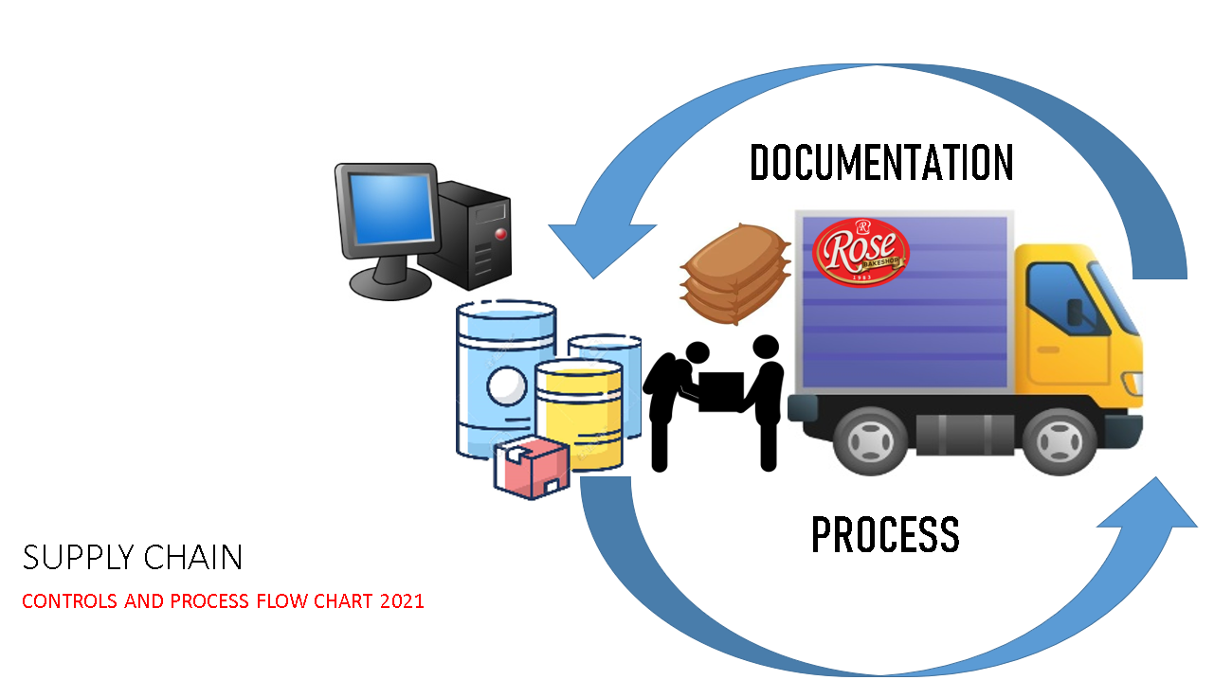

Property Control Pull Out Flow
Branch Supervisor Prepares Pull Out Receipt (POR) in 3 copies, indicating complete detail of items to be pulled out. Approved by Cluster Head or Area Manager. Coordinate POR to Property Control through email or GCC & seek confirmation.
1
3
2
POR 1
Items:
1. Laton
2. Container
3. Sack
4
3
2
POR 1
Items:
1. Laton
2. Container
3. Sack
Note:
Company Policy states that Logistics is "PROHIBITED TO MAKE CORRECTION" on the POR. Variances on the POR & actual Scrap Items to be pulled out is accountability of the Logistics. This infraction is subject for monetary charges & administrative sanctions.
One (1) copy of acknowledged POR to be retained by the Source Department.
2 copies to be carried by Logisitc & transmitted to Property Custodian together with the Scrap Items.
5
Logistics schedule Pull Out of items coordinated by Property Control as per Pull Out List & POR reference.
3
 | JATHNIER CORPORATION PROPERTY CONTROL PULL OUT OF SCRAP ITEMS PROCESS FLOW 2023
PROPERTY CONTROL PROCESS FLOW | SOURCE DEPARTMENTS (RBS Branches / Department Offices)
 | LOGISTICS
Upon receipt of POR General Accounting Head will check Inventory Entry to QBe and transmit POR to Cost & Inventory Management Head for Inventory control record.
7
POR 3
END
8
 | FINANCE & ADMINISTRATION General Accounting / Cost & Inventory Management
Property Custodian Receives POR information from Source Department, confirm status of items to be pulled out with Source Departmen. Relay pull out schedule activity with Logistics Section with POR reference.
2
PULL OUT SCHEDULE
Property Custodian check POR & returned Scrap Items. Conduct receiving standard procedure. POR should have no erasures, complete detail information & signatories. Execute Item Receipt in QBe system to record inventory on Property Control Site. Stamp mark "RECEIVED" on the POR, attached Item Receipt form and 1 copy of POR transmit documents to General Accounting Head through Accounting Document Controller.
6
Items:
1. Laton
2. Container
3. Sack
3
POR 2
 | PROPERTY CONTROL

